MI values
Factive Verbs | Non-factive Verbs

Abstract |  | Introduction |  | Rwork |  | Discussion |  | Conclusion |  |  | Factive | Non-Factive |  | Factive | Non-Factive |  | Factive | Non-Factive
illustrate | 0.5 | theorize | 0.85714285714 | calculate | 0.66666666667 | emphasise | 0.6 | doubt | 0.75 | Abstract | 6.68 | 2.06 | Abstract | 0.055 | 0.017 | Abstract | 0.06 | 0.02
judge | 0.5 | mean | 0.75 | check | 0.5 | caution | 0.5 | remark | 0.7 | Introduction | 15.93 | 8.66 | Introduction | 0.024 | 0.013 | Introduction | 0.03 | 0.01
demonstrate | 0.33598937583 | reason | 0.71428571429 | disagree | 0.5 | detect | 0.5 | indicate | 0.66666666667 | RelatedWork | 5.21 | 2.40 | RelatedWork | 0.009 | 0.004 | RelatedWork | 0.01 | 0.00
allow | 0.33333333333 | assert | 0.66666666667 | enforce | 0.5 | grant | 0.5 | envision | 0.625 | Discussion | 9.35 | 5.44 | Discussion | 0.014 | 0.008 | Discussion | 0.01 | 0.01
report | 0.33333333333 | deem | 0.66666666667 | say | 0.38674033149 | reckon | 0.5 | imagine | 0.625 | Conclusion | 7.71 | 11.11 | Conclusion | 0.038 | 0.055 | Conclusion | 0.04 | 0.05
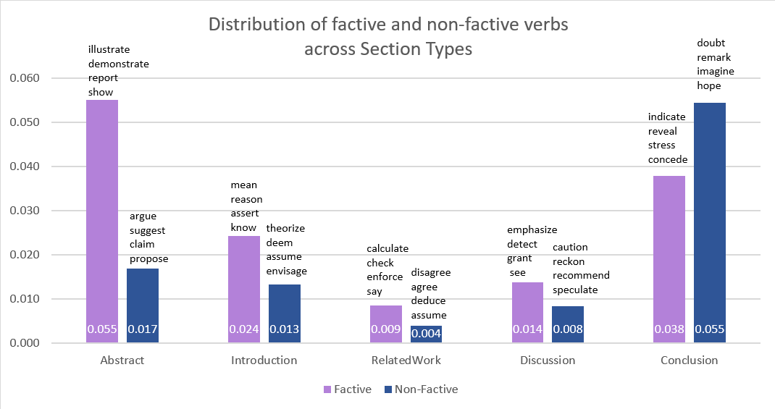
show | 0.33071428571 | know | 0.65437788018 | deduce | 0.33333333333 | recommend | 0.5 | hope | 0.50953678474
argue | 0.31052631579 | emphasize | 0.63333333333 | regard | 0.33333333333 | see | 0.49746192893 | caution | 0.5
contend | 0.26829268293 | require | 0.60526315789 | investigate | 0.25 | speculate | 0.44303797468 | foresee | 0.5
check | 0.25 | assume | 0.60472610097 | agree | 0.20689655172 | maintain | 0.41666666667 | guess | 0.5
detect | 0.25 | accept | 0.6 | ensure | 0.20689655172 | accept | 0.4 | perceive | 0.5
investigate | 0.25 | concede | 0.6 | recall | 0.2 | obtain | 0.4 | recommend | 0.5
reveal | 0.25 | envisage | 0.6 | state | 0.2 | recall | 0.4 | reveal | 0.5
suggest | 0.21848739496 | predict | 0.58974358974 | require | 0.18421052632 | recognise | 0.4 | submit | 0.5
prove | 0.21212121212 | ensure | 0.58620689655 | note | 0.16666666667 | state | 0.4 | feel | 0.42564102564
conclude | 0.20845070423 | postulate | 0.58333333333 | assume | 0.15574650913 | understand | 0.375 | postulate | 0.41666666667
accept | 0.2 | admit | 0.57142857143 | mention | 0.14285714286 | observe | 0.3728 | stress | 0.41176470588
establish | 0.2 | explain | 0.57142857143 | presume | 0.14285714286 | notice | 0.36464088398 | believe | 0.40099682827
obtain | 0.2 | agree | 0.55172413793 | extend | 0.13333333333 | advocate | 0.33333333333 | concede | 0.4
understand | 0.2 | decide | 0.54545454545 | posit | 0.13333333333 | calculate | 0.33333333333 | obtain | 0.4
claim | 0.1871657754 | say | 0.53591160221 | identify | 0.125 | deduce | 0.33333333333 | recognise | 0.4
propose | 0.1871657754 | claim | 0.51871657754 | contend | 0.12195121951 | deem | 0.33333333333 | trust | 0.4
decide | 0.18181818182 | hypothesize | 0.50284090909 | suspect | 0.12179487179 | realise | 0.33333333333 | think | 0.38823529412
find | 0.17763157895 | acknowledge | 0.5 | stress | 0.11764705882 | surmise | 0.33333333333 | confirm | 0.38333333333
learn | 0.1724137931 | disagree | 0.5 | recognize | 0.11111111111 | suspect | 0.32051282051 | learn | 0.37931034483
confirm | 0.16666666667 | enforce | 0.5 | emphasize | 0.1 | note | 0.31434599156 | conclude | 0.36901408451
posit | 0.16666666667 | establish | 0.5 | remark | 0.1 | infer | 0.30769230769 | anticipate | 0.36764705882
submit | 0.16666666667 | grant | 0.5 | think | 0.1 | determine | 0.30434782609 | expect | 0.3675
infer | 0.15384615385 | guess | 0.5 | know | 0.096774193548 | discover | 0.296875 | acknowledge | 0.33333333333
hypothesise | 0.15 | highlight | 0.5 | propose | 0.096256684492 | admit | 0.28571428571 | advocate | 0.33333333333
explain | 0.14285714286 | identify | 0.5 | hypothesize | 0.085227272727 | presume | 0.28571428571 | allow | 0.33333333333
Distribution of self-mentions co-occurring with factive and non-factive verbs
discover | 0.140625 | intend | 0.5 | conjecture | 0.083333333333 | conjecture | 0.27777777778 | realise | 0.33333333333
realize | 0.13888888889 | judge | 0.5 | maintain | 0.083333333333 | realize | 0.27777777778 | regard | 0.33333333333
highlight | 0.125 | pretend | 0.5 | see | 0.081218274112 | consider | 0.27083333333 | regret | 0.33333333333
predict | 0.10256410256 | reckon | 0.5 | expect | 0.075 | foresee | 0.25 | surmise | 0.33333333333
emphasize | 0.1 | contend | 0.48780487805 | hypothesise | 0.075 | investigate | 0.25 | suspect | 0.30769230769
hypothesize | 0.099431818182 | prove | 0.48484848485 | suppose | 0.073170731707 | recognize | 0.22222222222 | establish | 0.3
suppose | 0.09756097561 | estimate | 0.48 | claim | 0.069518716578 | anticipate | 0.22058823529 | conjecture | 0.2962962963
observe | 0.0944 | verify | 0.48 | learn | 0.068965517241 | envisage | 0.2 | speculate | 0.29113924051
determine | 0.086956521739 | hypothesise | 0.475 | mean | 0.068181818182 | posit | 0.2 | explain | 0.28571428571
estimate | 0.08 | argue | 0.47368421053 | believe | 0.063434526507 | suppose | 0.19512195122 | mention | 0.28571428571
consider | 0.076388888889 | propose | 0.46524064171 | discover | 0.0625 | find | 0.18808049536 | estimate | 0.28
know | 0.069124423963 | recognize | 0.44444444444 | anticipate | 0.058823529412 | envision | 0.1875 | find | 0.27670278638
agree | 0.068965517241 | understand | 0.4375 | feel | 0.05641025641 | think | 0.18529411765 | determine | 0.26086956522
ensure | 0.068965517241 | mention | 0.42857142857 | consider | 0.055555555556 | decide | 0.18181818182 | prove | 0.25757575758
extend | 0.066666666667 | presume | 0.42857142857 | notice | 0.055248618785 | conclude | 0.17746478873 | suggest | 0.25630252101
conjecture | 0.064814814815 | consider | 0.42361111111 | conclude | 0.053521126761 | learn | 0.1724137931 | notice | 0.25414364641
trust | 0.0625 | report | 0.41666666667 | observe | 0.0528 | assert | 0.16666666667 | demonstrate | 0.25232403718
assume | 0.055853920516 | suppose | 0.41463414634 | predict | 0.051282051282 | emphasize | 0.16666666667 | discover | 0.25
think | 0.05 | recall | 0.4 | argue | 0.050526315789 | report | 0.16666666667 | highlight | 0.25
believe | 0.046216583598 | state | 0.4 | confirm | 0.05 | hypothesize | 0.16477272727 | identify | 0.25
acknowledge | 0.041666666667 | trust | 0.4 | find | 0.044504643963 | believe | 0.15903942003 | investigate | 0.25
recognize | 0.037037037037 | expect | 0.3825 | determine | 0.04347826087 | expect | 0.1575 | maintain | 0.25
feel | 0.035897435897 | show | 0.36976190476 | acknowledge | 0.041666666667 | feel | 0.14871794872 | show | 0.23238095238
anticipate | 0.029411764706 | posit | 0.36666666667 | estimate | 0.04 | mention | 0.14285714286 | infer | 0.23076923077
say | 0.027624309392 | suggest | 0.36554621849 | verify | 0.04 | reason | 0.14285714286 | suppose | 0.21951219512
hope | 0.027247956403 | realize | 0.36111111111 | hope | 0.038147138965 | theorize | 0.14285714286 | emphasise | 0.2
require | 0.026315789474 | stress | 0.35294117647 | show | 0.035952380952 | suggest | 0.13025210084 | envisage | 0.2
suspect | 0.025641025641 | demonstrate | 0.34926958831 | demonstrate | 0.033200531208 | predict | 0.12820512821 | hypothesise | 0.2
see | 0.022842639594 | advocate | 0.33333333333 | prove | 0.030303030303 | highlight | 0.125 | observe | 0.2
mean | 0.022727272727 | allow | 0.33333333333 | suggest | 0.029411764706 | identify | 0.125 | state | 0.2
expect | 0.0175 | deduce | 0.33333333333 | realize | 0.027777777778 | illustrate | 0.125 | realize | 0.19444444444
note | 0.016877637131 | feel | 0.33333333333 | speculate | 0.025316455696 | imagine | 0.125 | recognize | 0.18518518519
speculate | 0.012658227848 | indicate | 0.33333333333 |  |  | hope | 0.12261580381 | note | 0.1835443038
notice | 0.011049723757 | realise | 0.33333333333 |  |  | estimate | 0.12 | consider | 0.17361111111
 |  | regard | 0.33333333333 |  |  | verify | 0.12 | claim | 0.17112299465
 |  | submit | 0.33333333333 |  |  | stress | 0.11764705882 | assert | 0.16666666667
 |  | surmise | 0.33333333333 |  |  | confirm | 0.11666666667 | verify | 0.16
 |  | believe | 0.33031264159 |  |  | require | 0.10526315789 | propose | 0.1550802139
 |  | anticipate | 0.32352941176 |  |  | assume | 0.10418904404 | see | 0.15228426396
 |  | note | 0.31856540084 |  |  | hypothesise | 0.1 | hypothesize | 0.14772727273
 |  | notice | 0.31491712707 |  |  | propose | 0.096256684492 | admit | 0.14285714286
 |  | find | 0.31308049536 |  |  | acknowledge | 0.083333333333 | presume | 0.14285714286
 |  | infer | 0.30769230769 |  |  | agree | 0.068965517241 | reason | 0.14285714286
 |  | determine | 0.30434782609 |  |  | ensure | 0.068965517241 | posit | 0.13333333333
 |  | hope | 0.30245231608 |  |  | know | 0.059907834101 | predict | 0.12820512821
 |  | confirm | 0.28333333333 |  |  | claim | 0.053475935829 | illustrate | 0.125
 |  | observe | 0.28 |  |  | contend | 0.048780487805 | understand | 0.125
 |  | conjecture | 0.27777777778 |  |  | mean | 0.045454545455 | argue | 0.12421052632
 |  | think | 0.27647058824 |  |  | argue | 0.041052631579 | know | 0.1198156682
 |  | check | 0.25 |  |  | show | 0.03119047619 | mean | 0.11363636364
 |  | detect | 0.25 |  |  | demonstrate | 0.029216467463 | agree | 0.10344827586
 |  | discover | 0.25 |  |  | say | 0.022099447514 | ensure | 0.10344827586
 |  | doubt | 0.25 |  |  | prove | 0.015151515152 | decide | 0.090909090909
 |  | foresee | 0.25 |  |  |  |  | report | 0.083333333333
 |  | illustrate | 0.25 |  |  |  |  | assume | 0.079484425349
 |  | imagine | 0.25 |  |  |  |  | require | 0.078947368421
 |  | maintain | 0.25 |  |  |  |  | contend | 0.073170731707
 |  | reveal | 0.25 |  |  |  |  | say | 0.027624309392
 |  | see | 0.2461928934
 |  | speculate | 0.22784810127
 |  | suspect | 0.22435897436
 |  | learn | 0.20689655172
 |  | emphasise | 0.2
 |  | recognise | 0.2
 |  | remark | 0.2
 |  | conclude | 0.19436619718
 |  | envision | 0.1875

